Biomass
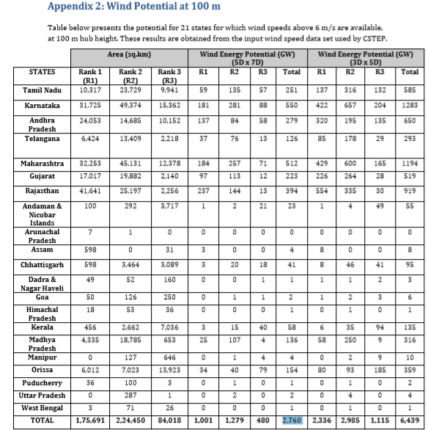
Tablel.l : State wise Renewable Energy Potential (in MW)
Sl. No. | States/UTs | Wind Power | Small Hydro Power | Bio-Energy |  |  | Solar | Total
Sl. No. | States/UTs | Wind Power | Small Hydro Power | Biomass Power | Bagasse Cogeneration | Waste to Energy
1 | Andhra Pradesh | 14497 | 978 | 578 | 300 | 123 | 38440 | 54916
2 | Arunachal Pradesh | 236 | 1341 | 8 |  |  | 8650 | 10236
3 | Assam | 112 | 239 | 212 |  | 8 | 13760 | 14330
4 | Bihar | 144 | 223 | 619 | 300 | 73 | 11200 | 12559
5 | Chhattisgarh | 314 | 1107 | 236 |  | 24 | 18270 | 19951
6 | Goa |  | 7 | 26 |  |  | 880 | 912
7 | Gujarat | 35071 | 202 | 1221 | 350 | 112 | 35770 | 72726
8 | Haryana | 93 | 110 | 1333 | 350 | 24 | 4560 | 6470
9 | Himachal Pradesh | 64 | 2398 | 142 |  | 2 | 33840 | 36446
10 | Jammu & Kashmir | 5685 | 1431 | 43 |  |  | 111050 | 118208
11 | Jharkhand | 91 | 209 | 90 |  | 10 | 18180 | 18580
12 | Karnataka | 13593 | 4141 | 1131 | 450 |  | 24700 | 44015
13 | Kerala | 837 | 704 | 1044 |  | 36 | 6110 | 8732
14 | Madhya Pradesh | 2931 | 820 | 1364 |  | 78 | 61660 | 66853
15 | Maharashtra | 5961 | 794 | 1887 | 1250 | 287 | 64320 | 74500
16 | Manipur | 56 | 109 | 13 |  | 2 | 10630 | 10811
17 | Meghalaya | 82 | 230 | 11 |  | 2 | 5860 | 6185
18 | Mizoram |  | 169 | 1 |  | 2 | 9090 | 9261
19 | Nagaland | 16 | 197 | 10 |  |  | 7290 | 7513
20 | Orissa | 1384 | 295 | 246 |  | 22 | 25780 | 27728
21 | Punjab |  | 441 | 3172 | 300 | 45 | 2810 | 6768
22 | Rajasthan | 5050 | 57 | 1039 |  | 62 | 142310 | 148518
23 | Sikkim | 98 | 267 | 2 |  |  | 4940 | 5307
24 | Tamil Nadu | 14152 | 660 | 1070 | 450 | 151 | 17670 | 34152
25 | Telangana |  |  |  |  |  | 20410 | 20410
26 | Tripura |  | 47 | 3 |  | 2 | 2080 | 2131 | Source: CSTEP, WFMS, SSEF
27 | Uttar Pradesh | 1260 | 461 | 1617 | 1250 | 176 | 22830 | 27593
28 | Uttarakhand | 534 | 1708 | 24 |  | 5 | 16800 | 19071
29 | West Bengal | 22 | 396 | 396 |  | 148 | 6260 | 7222
30 | Andaman & Nicobar | 365 | 8 |  |  |  | 0 | 373
31 | Chandigarh |  |  |  |  | 6 | 0 | 6
32 | Dadra & Nagar Haveli |  |  |  |  |  | 0 | 0
33 | Daman & Diu | 4 |  |  |  |  | 0 | 4
34 | Delhi |  |  |  |  | 131 | 2050 | 2181
35 | Lakshadweep |  |  |  |  |  | 0 | 0
36 | Puducherry | 120 |  |  |  | 3 | 0 | 123
37 | Others |  |  |  |  | 1022 | 790 | 1812
 | Total | 102772 | 19749 | 17536 | 5000 | 2554 | 748990 | 896602

Source: MNRE

Onshore Wind
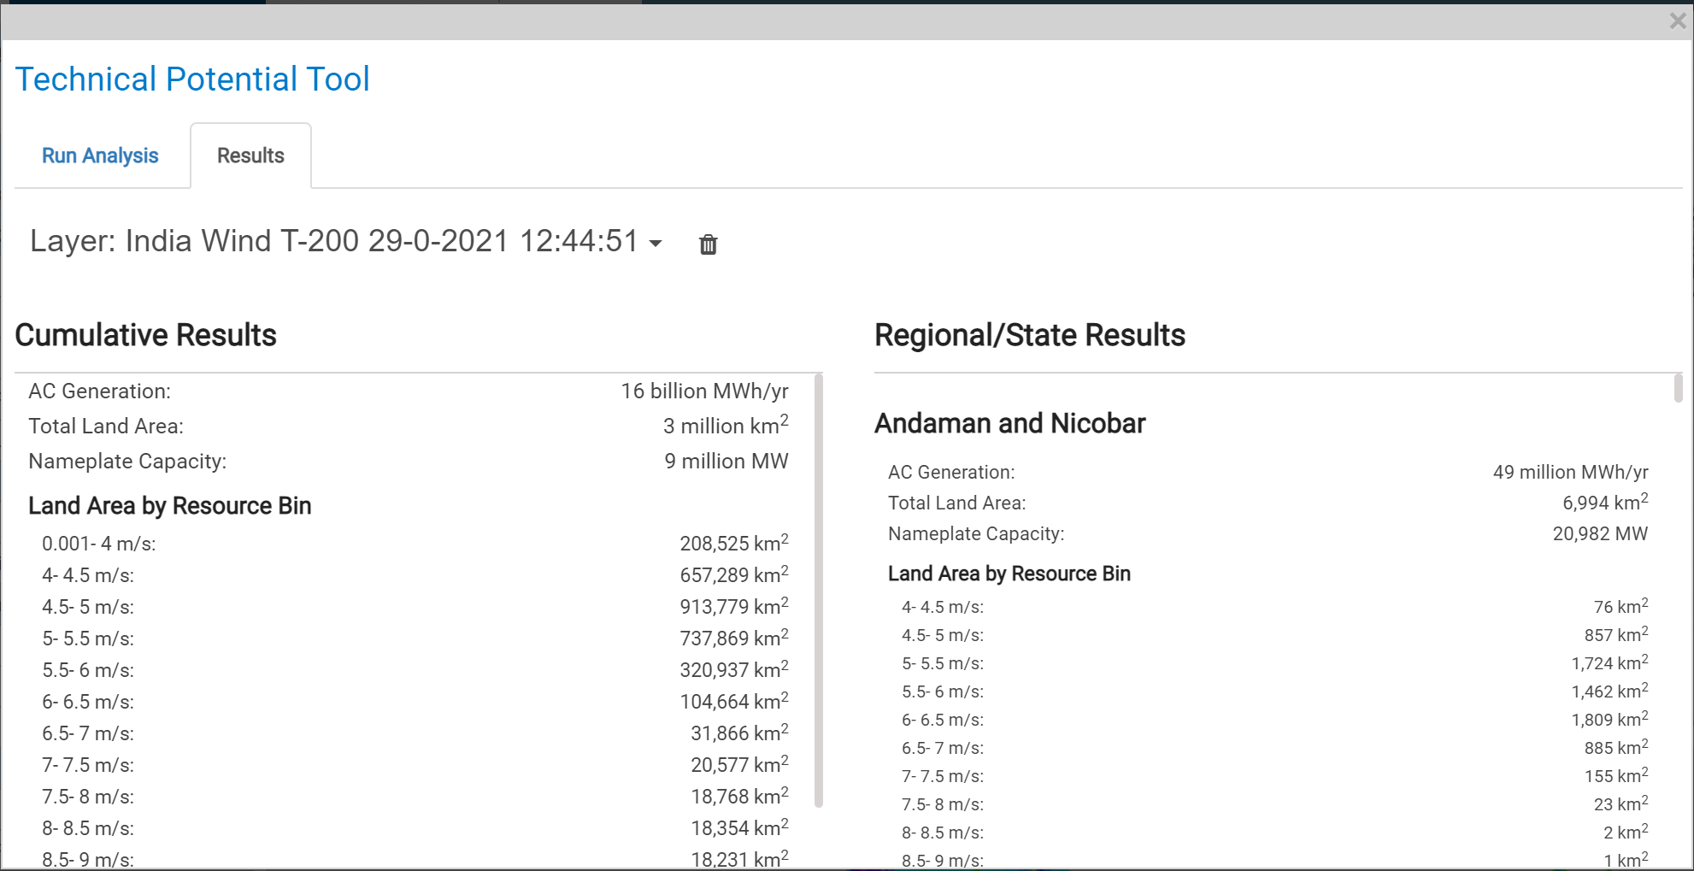
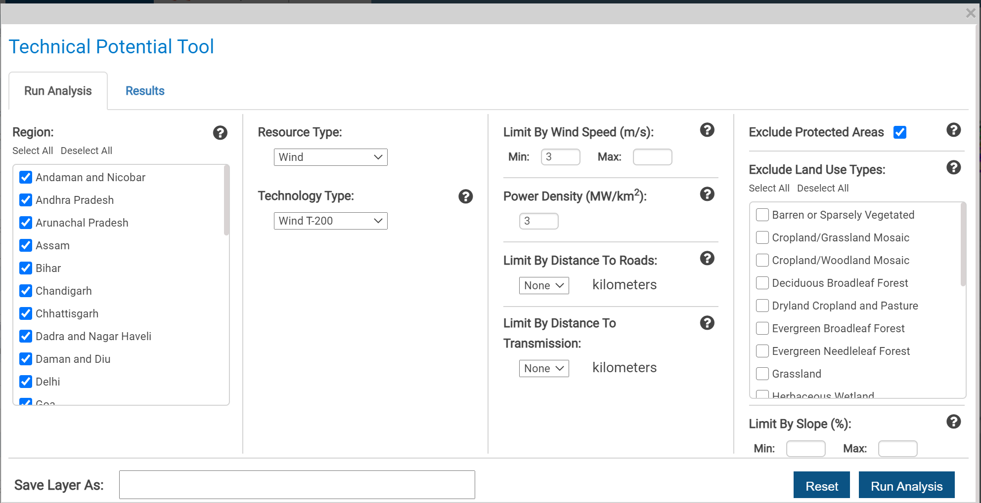

Potential | 9000000

Solar PV
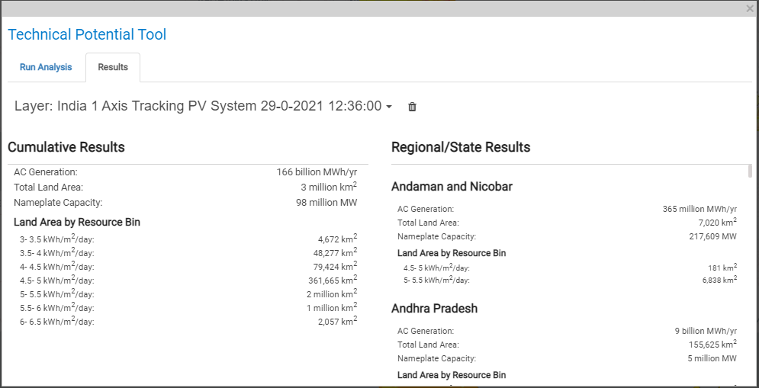
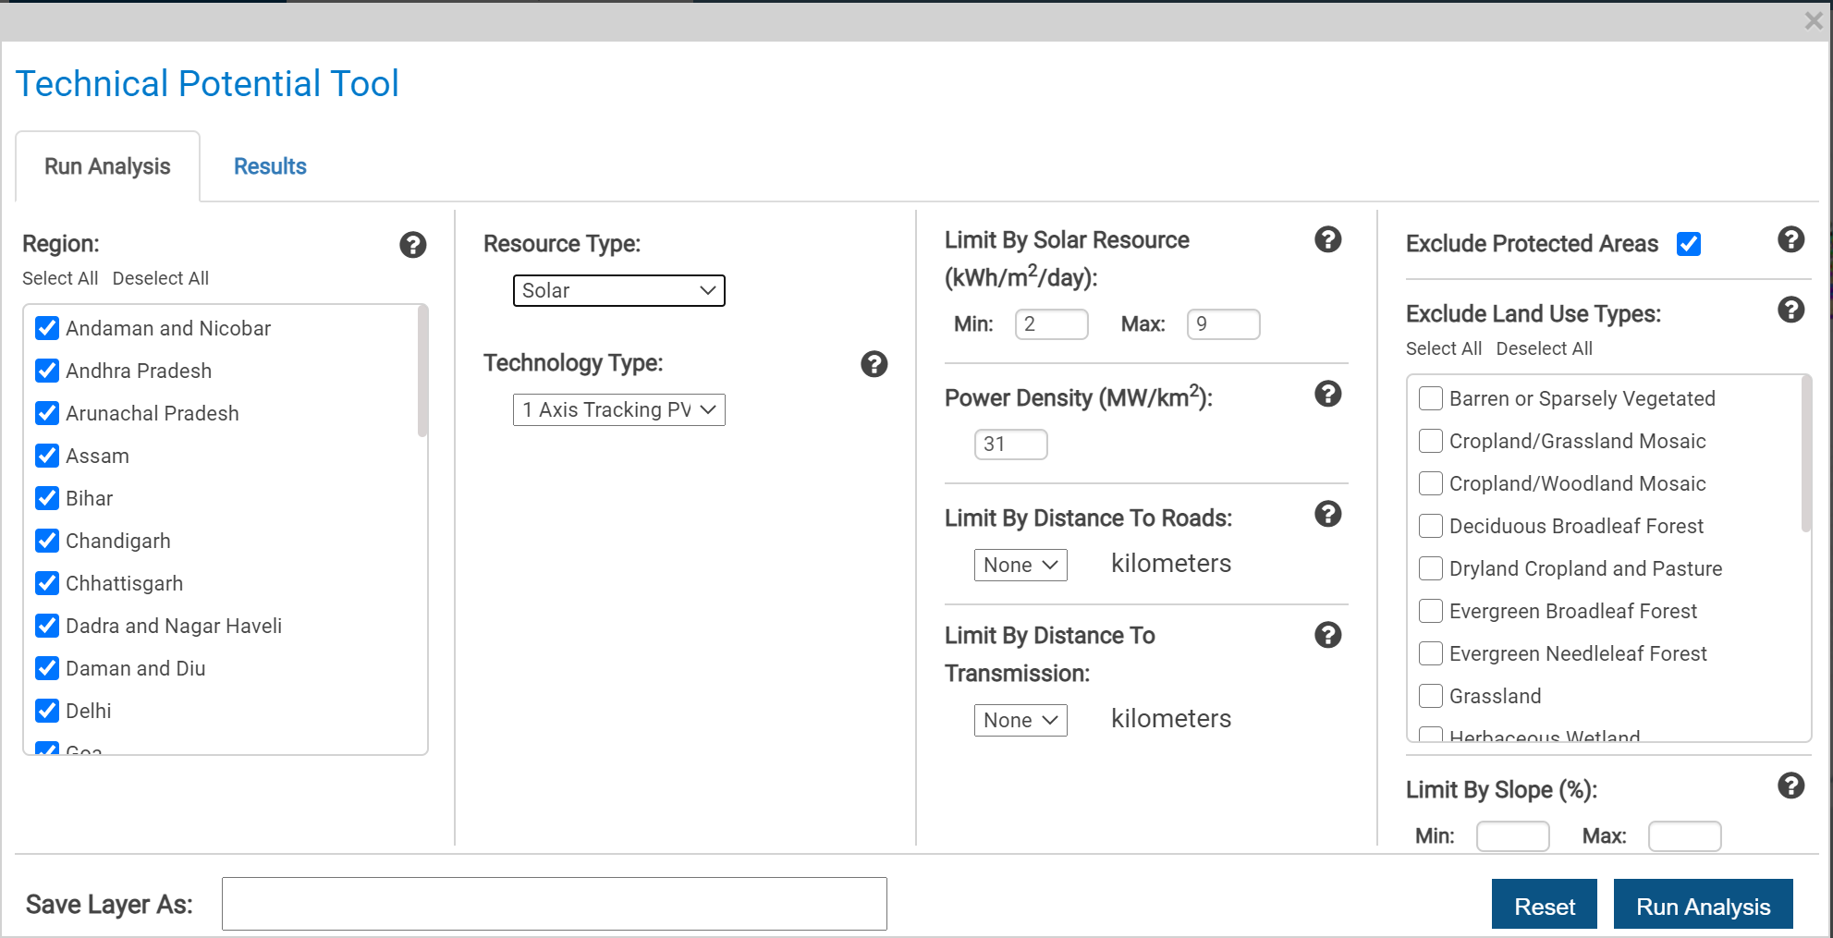

Potential | 98000000

